MPT
MAGNETIC PARTICLE TEST REPORT
Carbon Energy Inspection Sdn Bhd

 | Customer / Client |  |  |  | : | Lotte Chemical Titan (M) Sdn. Bhd. |  |  |  |  | Report No. |  | : | CE-21-MPT-LOTTE-TK5130B-002
 | Project / Rig |  |  |  | : | TK-5130B SD |  |  |  |  | Date of Test |  | : | 14-Jan-21
 | Location of Test |  |  |  | : | Pasir Gudang, Johor

 | Test Procedure No. |  |  |  | : | CE-MT-01 Rev.2 |  |  |  |  | Test Specification |  | : | ASME sec V
 | Acceptance Criteria |  |  |  | : | ASME B31.3

 | Magnetization Unit |  |  |  | : |  | AC | DC | √ | Permanent
 | Yoke Serial No |  |  |  | : |  |  |  |  |  | Pole Spacing |  | : | 3 inches to 8 inches
 | Flux Indicator |  |  |  | : | Chemitall Burma Castrol |  |  |  |  | Lifting Capacity |  | : | 40lbs (18.5KG)
 | Type Of Inspection |  |  |  | : | Wet |  |  |  |  | Contrast Paint |  | : | Sherwin White Contrast CP-2
 | Light Type |  |  |  | : | Natural |  |  |  |  | Magnetic Ink |  | : | Sherwin Black Oxide BO-1
 | Visible Light Intensity |  |  |  | : | 800-1000 lux |  |  |  |  | Method |  | : | Black and white

 | ITEM TESTED:
 | Description / Identification |  |  |  |  | : | Wet MPI Fluorescent Testing were carried out on TK-5130B (PMT78728)

 | Area Inspected |  |  |  |  | : | Magnetic Particle inspection was carried out internally on all main weld seams, nozzles weldment and
 |  |  |  |  |  |  | fillet welds.

 | Result |  |  |  |  | : | Result of inspection revealed that there was no relevant indication detected during the time of inspection
 |  |  |  |  |  |  | and acceptable as per code. Refer attached drawing for details.

 | Comment |  |  |  |  | : | N/A

REMARKS :
1. MPT was carried out on the mantioned item above.
2. No significant indication was noticed during inspection.
3. Refer attachment for details
Tested By: |  |  |  |  |  |  |  | Reviewed and Approved By: |  |  |  |  |  | Client's Representative:

Name |  | : | RODOLFO TINDK |  |  |  |  | Name | : |  |  |  |  | Name | :
Qual |  | : | ASNT LEVEL II |  |  |  |  | Date | : |  |  |  |  | Date | :
Date |  | : | 14-Jan-21

MAGNETIC PARTICLE TEST REPORT
Carbon Energy Inspection Sdn Bhd

 | Customer / Client |  |  | : | Lotte Chemical Titan (M) Sdn. Bhd. |  |  |  |  |  | Report No. |  | : | CE-21-MPT-LOTTE-TK5130B-002
 | Project / Rig |  |  | : | TK-5130B SD |  |  |  |  |  | Date of Test |  | : | 14-Jan-21
 | Location of Test |  |  | : | Pasir Gudang, Johor

 | Attachment :

 | Figure 1: No indication found |  |  |  |  |  |  |  |  |  |  | Figure 2: No indication found

 | 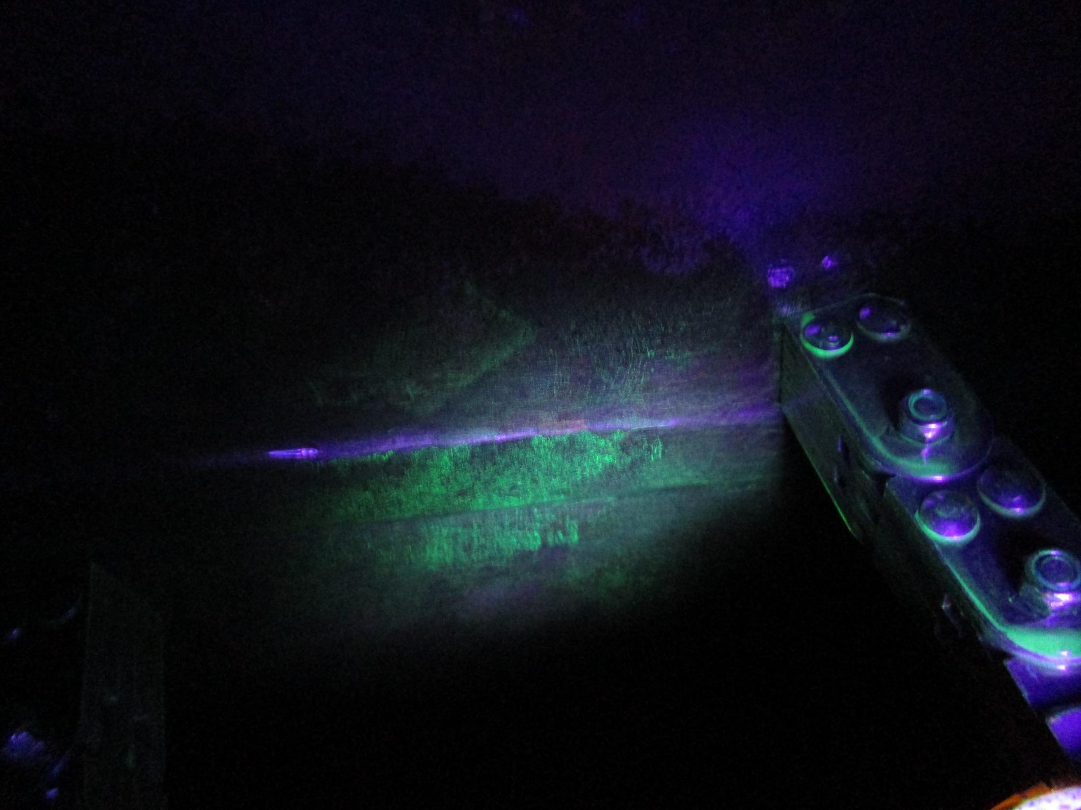 N/A |  |  |  |  |  |  |  |  |  |  | 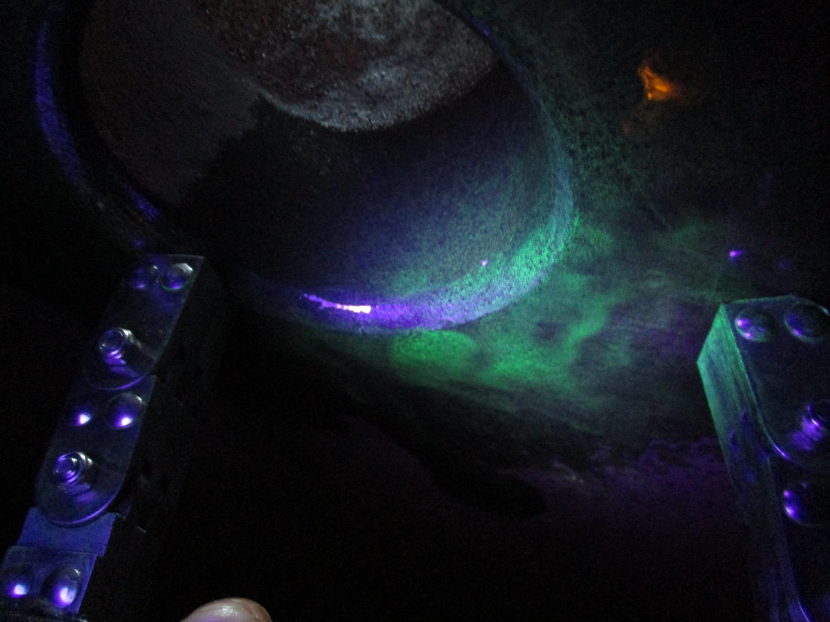 N/A

 | Figure 3: No indication found |  |  |  |  |  |  |  |  |  |  | Figure 4: No indication found

 | 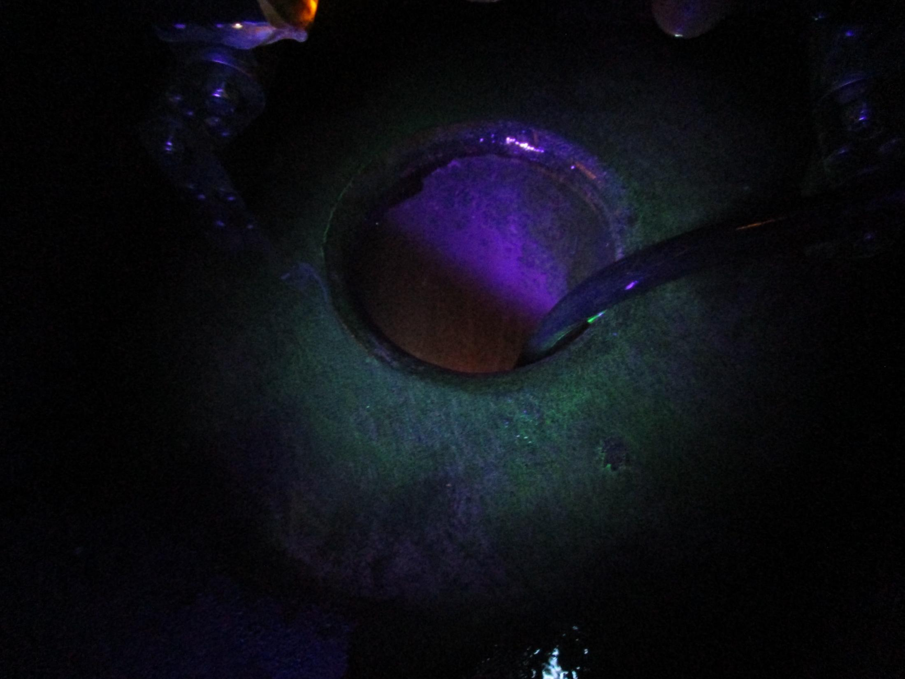 N/A |  |  |  |  |  |  |  |  |  |  | 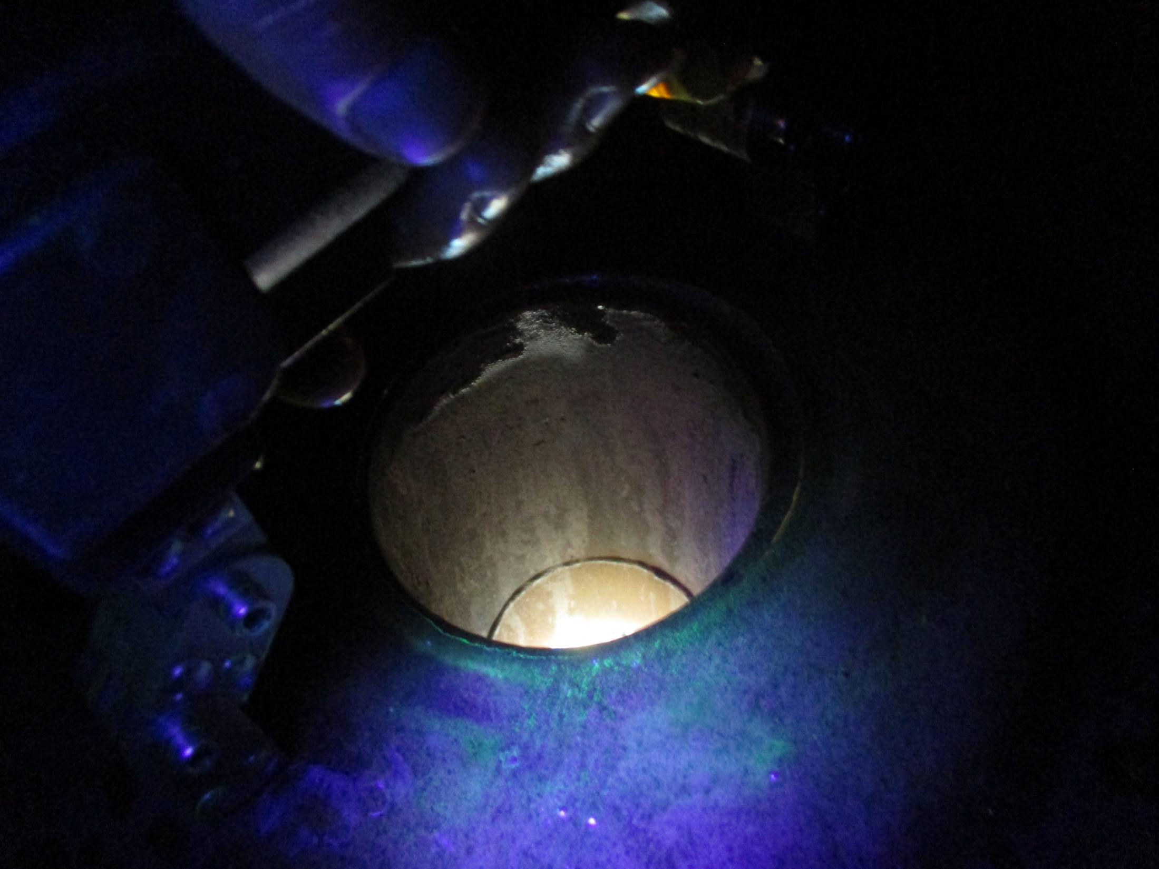 N/A

 | Figure 5: No indication found |  |  |  |  |  |  |  |  |  |  | Figure 6: No indication found

 | 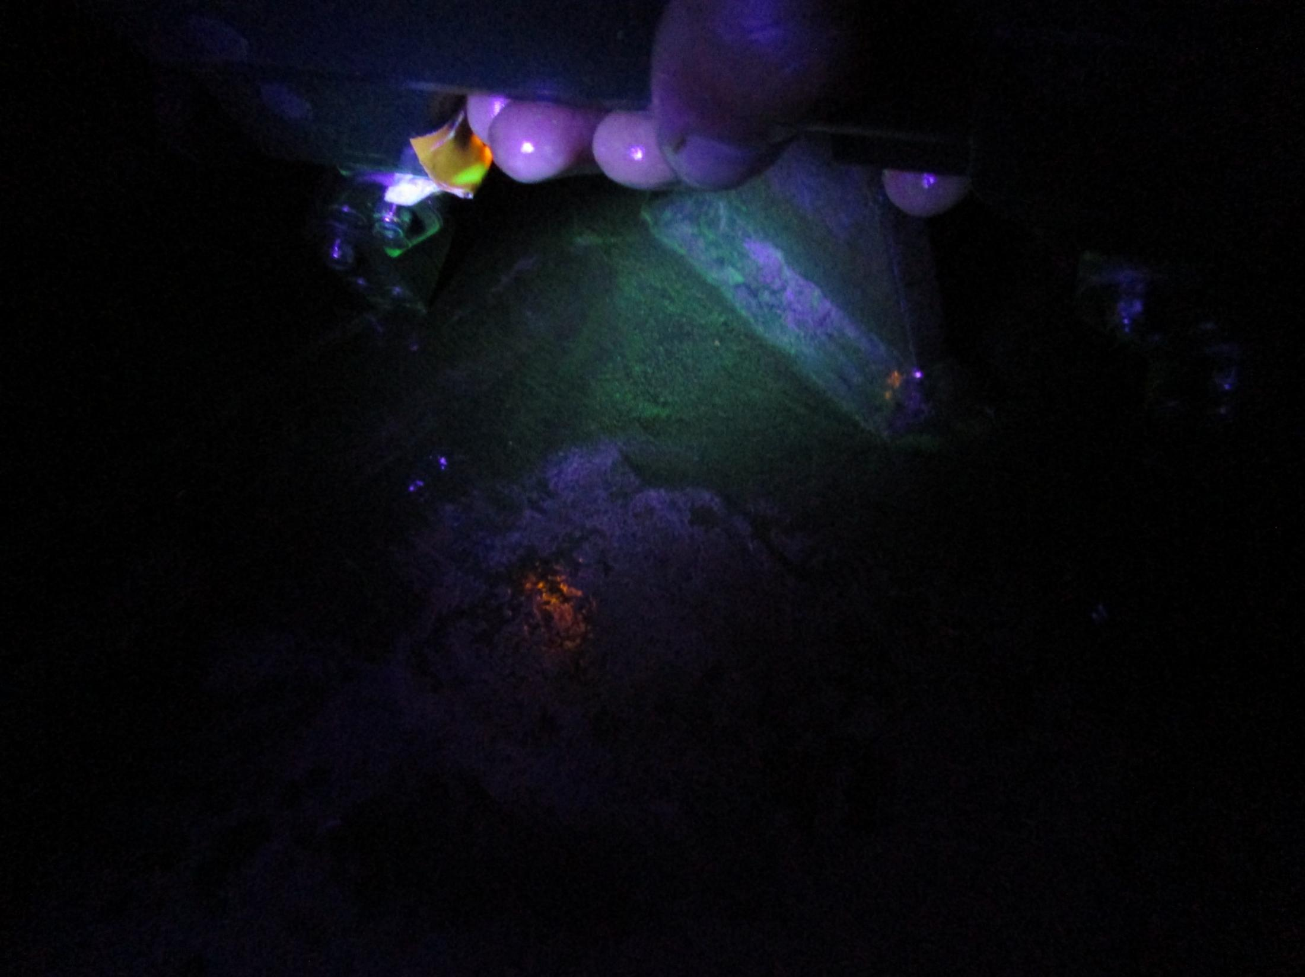 N/A |  |  |  |  |  |  |  |  |  |  | 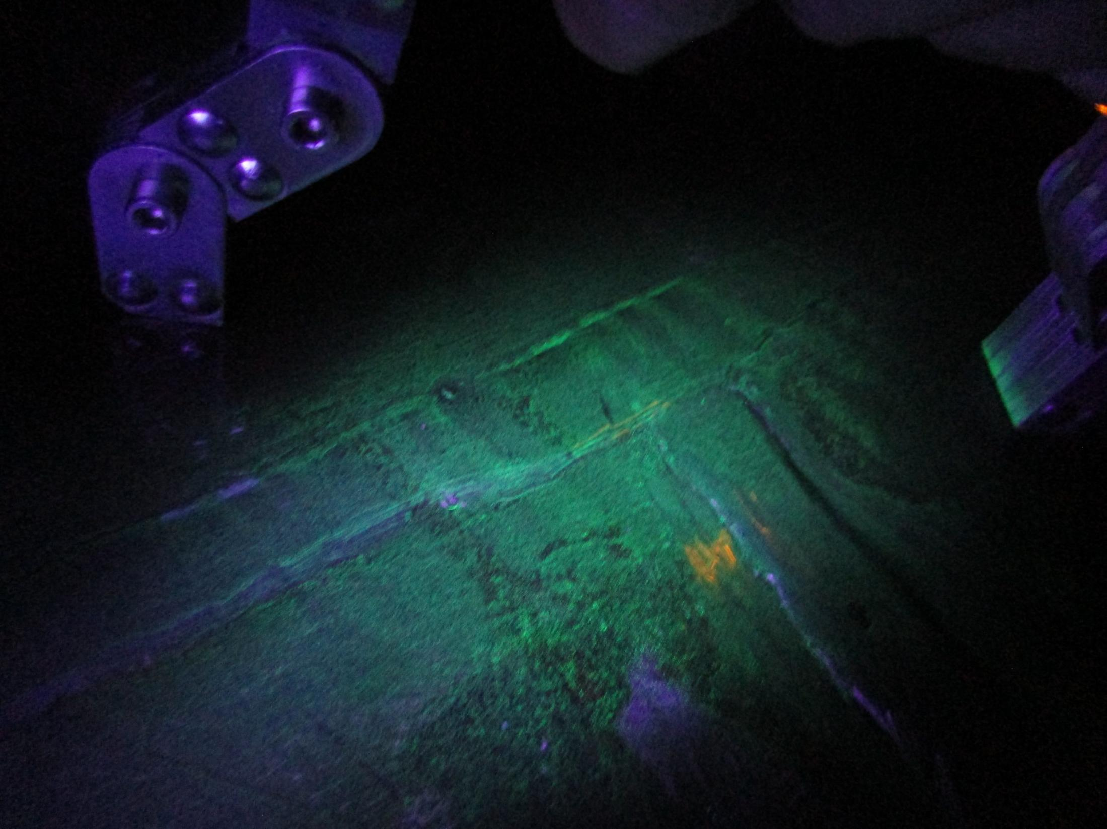 N/A

Sheet2
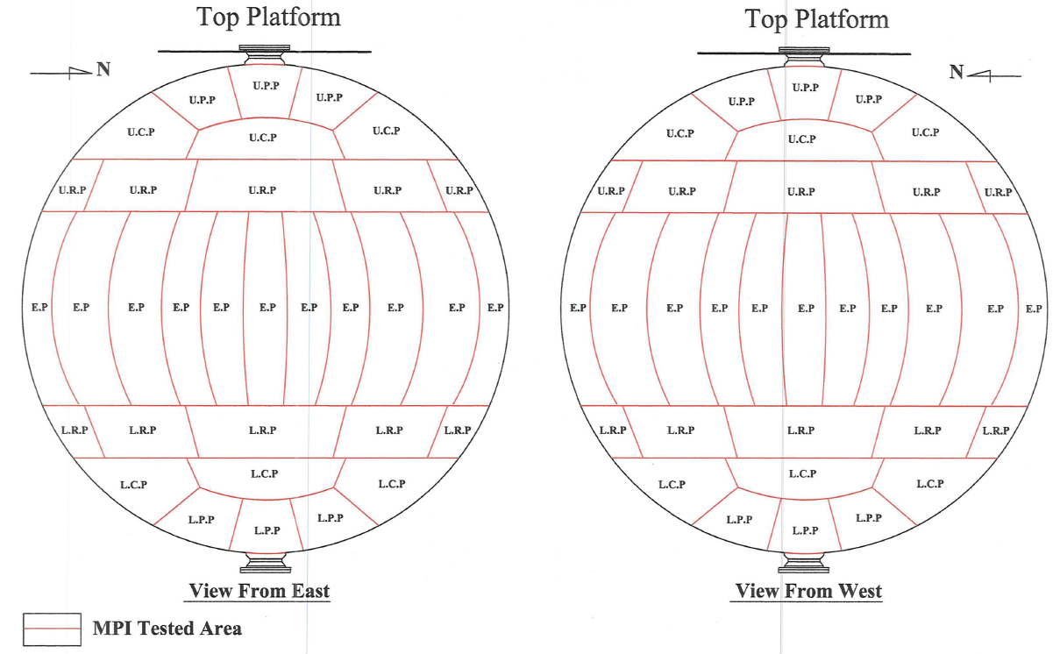
Mixed Butane Storage Tank

TK-5130B

Sheet2 (2)
Mixed Butane Storage Tank

TK-5130B

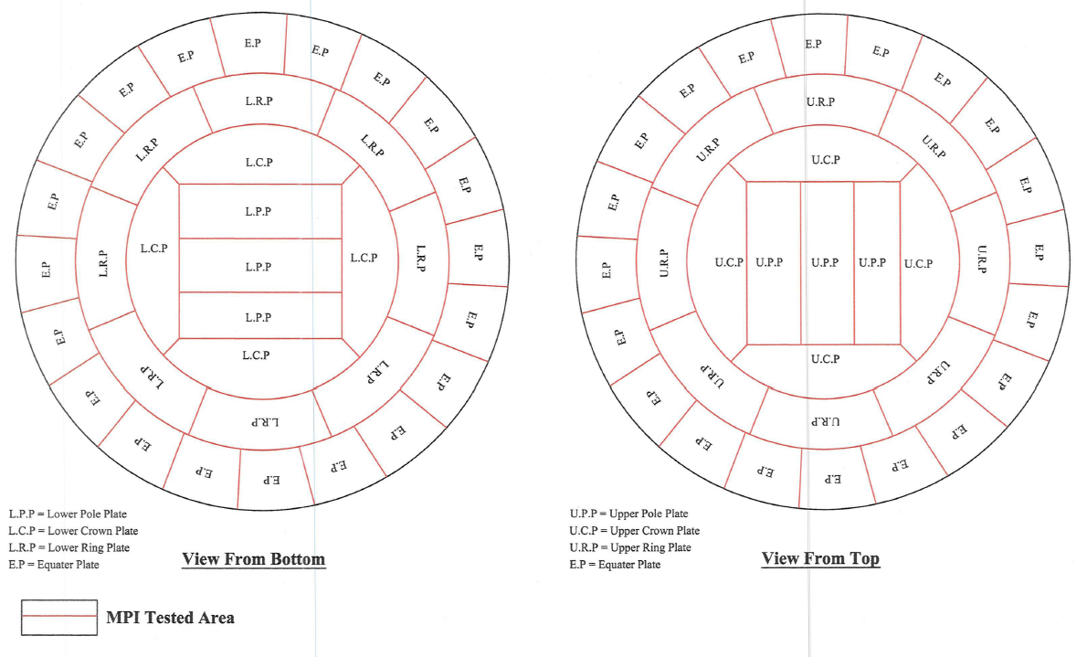

 | Wet

